y Rsing catalog
深圳市益瑞思科技有限公司 Shenzhen Y-rising Technology Co., Ltd. Room 702, Shangxing Building, HeBin South Road, ShangXing Community, Xinqiao Street, Baoan District, Shenzhen City, Guangdong Province, China Contact:Mia Mei, Email: sale01@Y-Rising.com, Mobile: 0086-13480916215
Picture | Model | Name | Function | Description
DDS Bio-massage Therapy Products
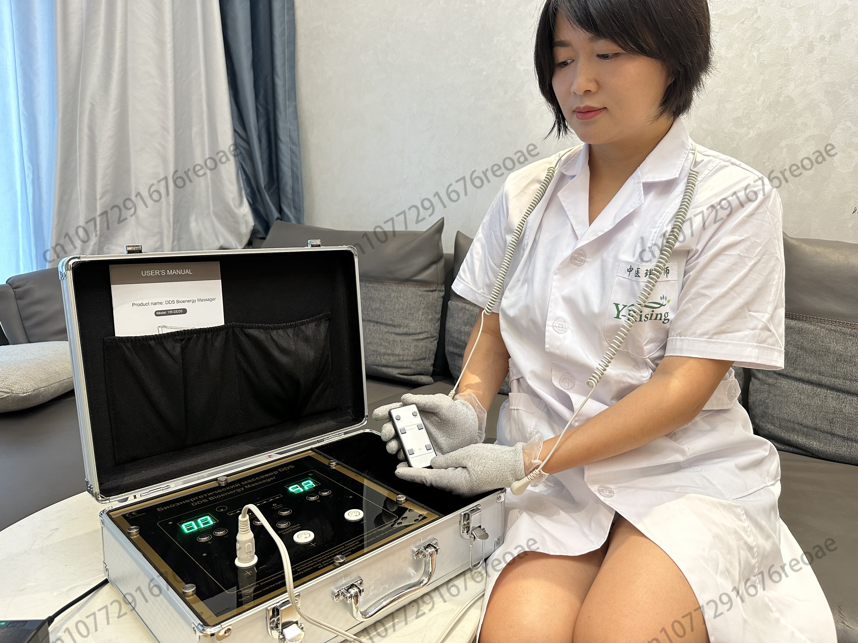 | YR-DD20 | Meridian bioenergy massager | • Clearing the Blockages of the Meridians • Promote Blood Circulation • Activate Nerve and Muscle Tissue • Regulating the Digestive System • Anti-Inflammatory Effect • Analgesic Effect • Eliminate Fatigue • Purify and Detoxify • Emotional Benefits | support 100-240V basic gloves standard connection wires and pads are medical standard, more safe on use. current version: English-Russian bilingual MOQ 1000pcs, brand logo service
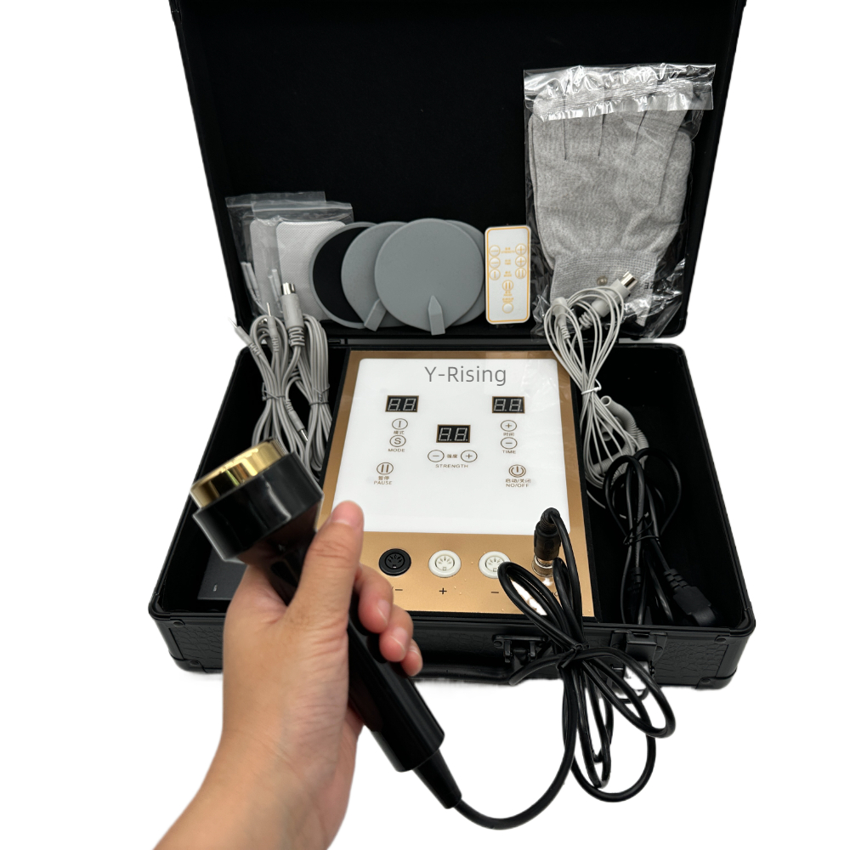 | YR-DD10 | DDS meridian massager |  | Rated working power:35WAC input: 100~240V, 50HZ to DC output, 12V output Output power: 0~3mA Outputintensity:0~99 levels Output modes: 3 (1. Continuous massage 2. Massagepressing 3. Massage cycle)Ultrasonic S gear:5 gearsEnvironmental temperature: -5 °C -50 °CRelative humidity: 20% -90% (non condensing) Free customization of instrument panels and logos for orders of 10 units or more.
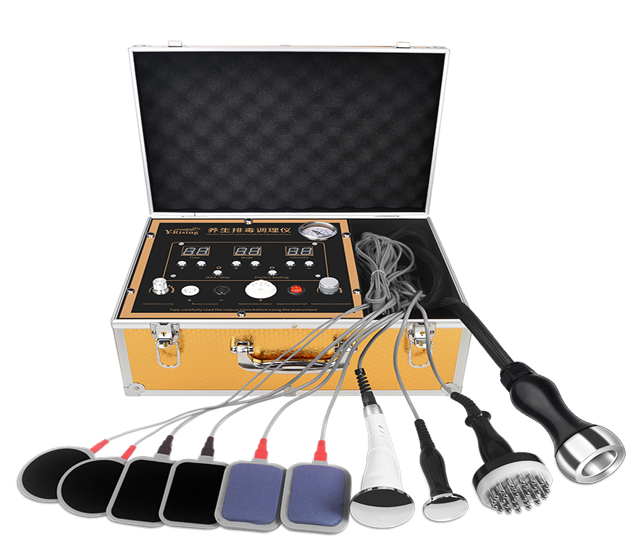 | YR-DD08 | DDS meridian massager |  | support 100V-240V only with a remote controller with negative pressure probe different accessories for choice current version: English-Russian bilingual MOQ 10pcs, brand logo service Free customization of instrument panels and logos for orders of 10 units or more.
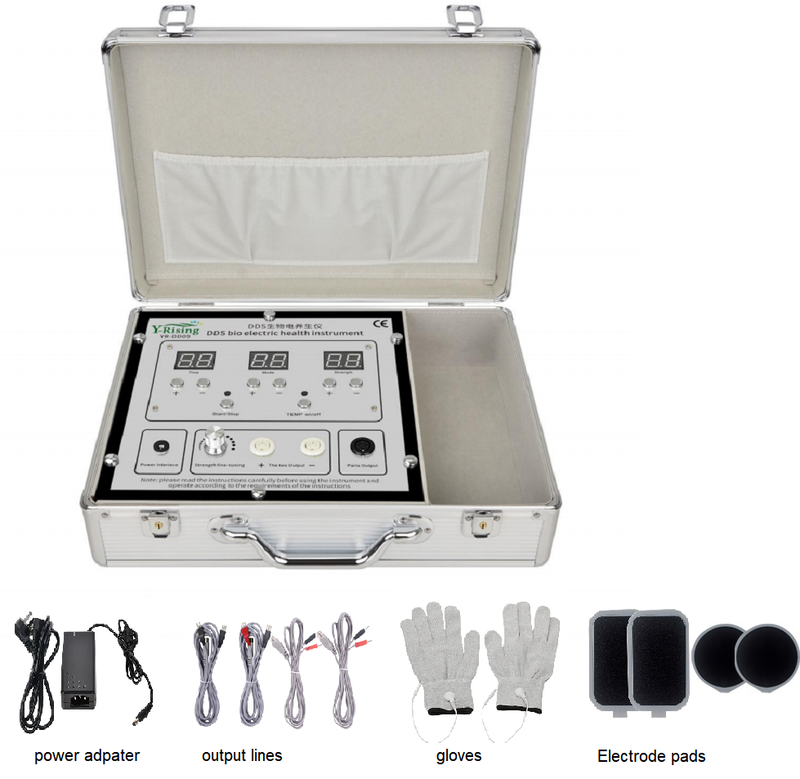 | YR-DD09 | DDS meridian massager |  | support 100-240V with a remote controller without negative pressure probe different accessories for choice current version: English-Russian bilingual MOQ 10pcs, brand logo service Free customization of instrument panels and logos for orders of 10 units or more.
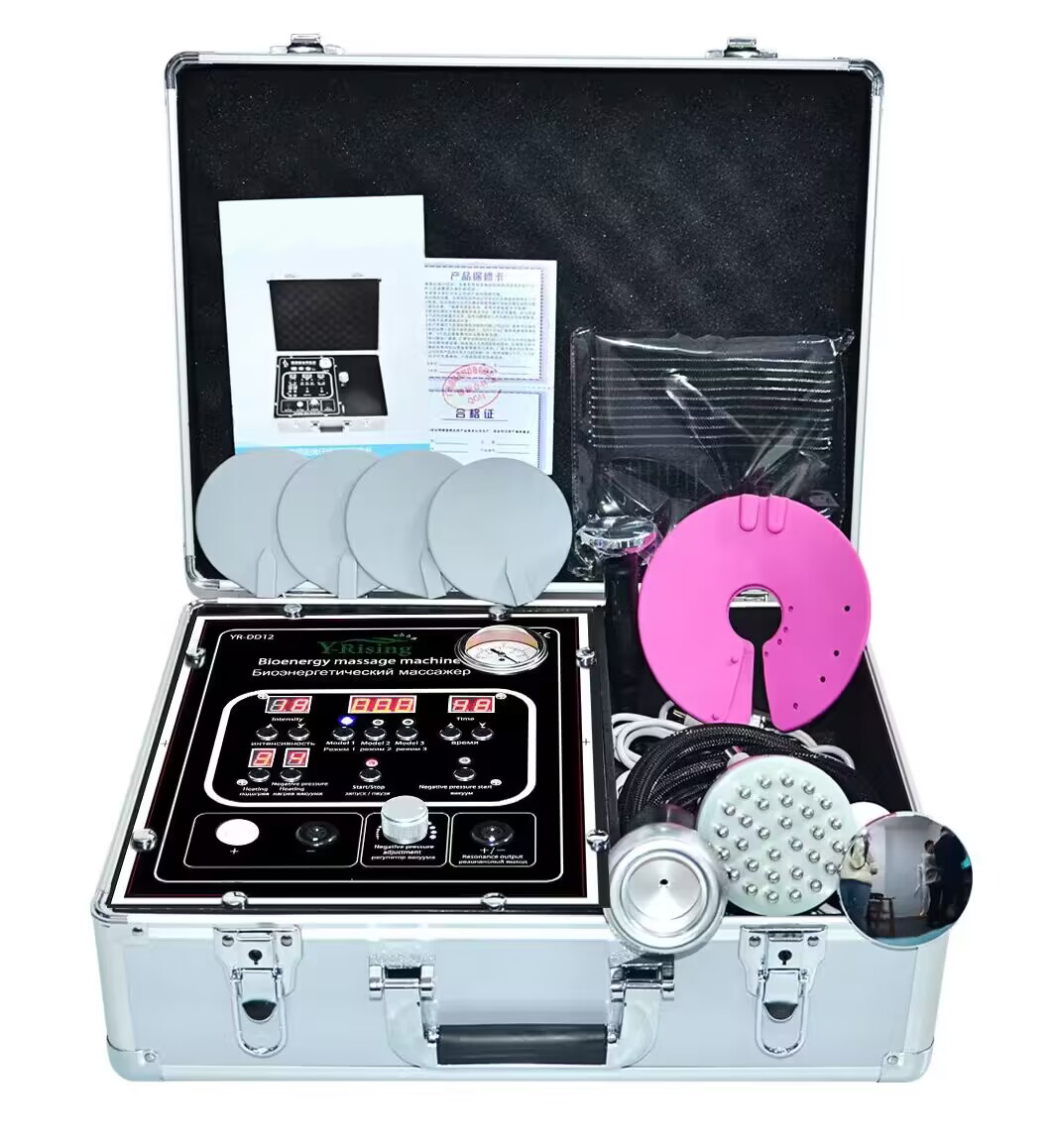 | YR-DD12 | DDS meridian massager |  | support 100-240V only with negative pressure probe different accessories for choice current version: English-Russian bilingual MOQ 10pcs, brand logo service Adjustable heat
Far-infrared laser massage products
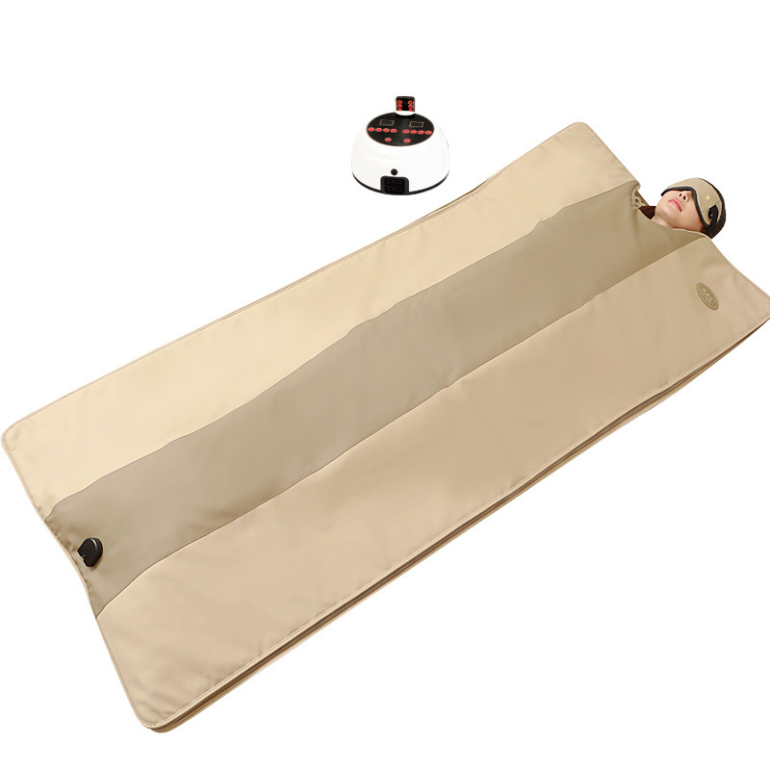 | YR-DD21 | Thermo infrared massager SPA CAPSULE TIM | Body shaping Improved skin condition Prevention of aging Activation of metabolic processes Balance of work of all internal organs Vessel cleansing Spinal alignment Removes blood congestion Removes toxins | Product specifications: 90*190cm Net weight: 9kg Rated voltage: 220V~ Rated frequency: 50Hz Rated power: 520W
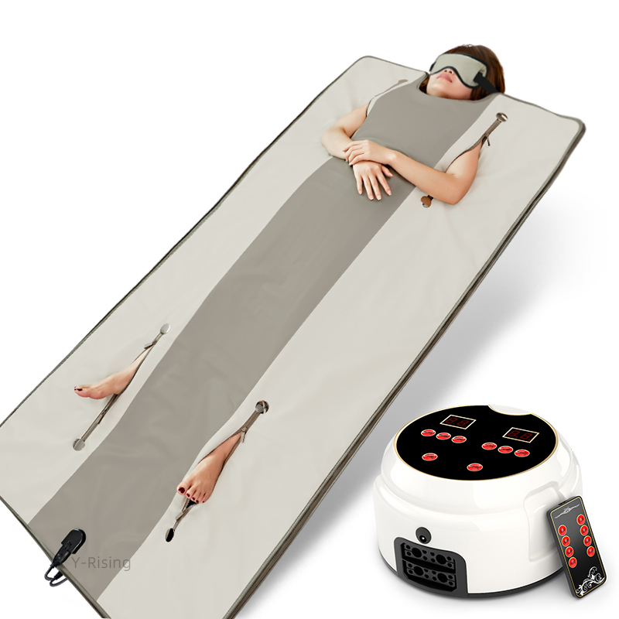 | YR-DD22 |  |  | Product specifications: 90*190cm Net weight: 9kg Rated voltage: 220V~ Rated frequency: 50Hz Rated power: 520W
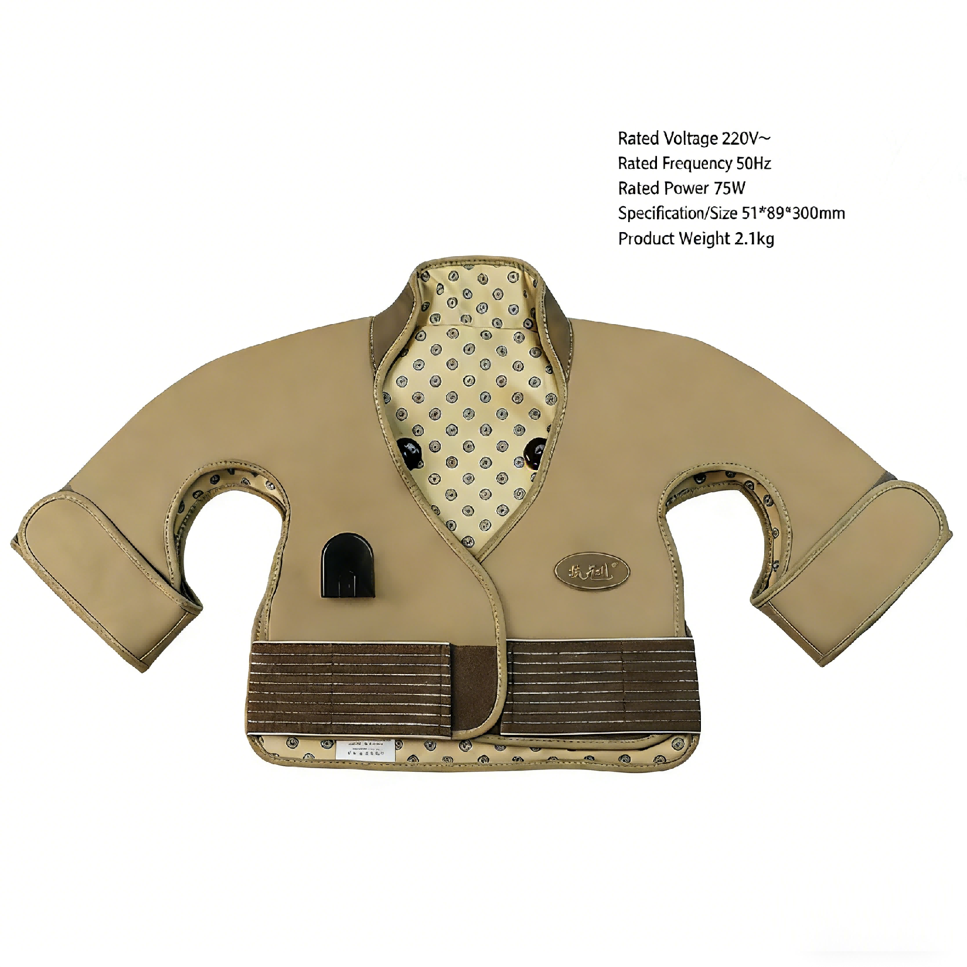 | YR-DD23 | Thermo infrared massage vest |  | Rated Voltage 220V~ Rated Frequency 50Hz Rated Power 75W Specification/Size 51*89300mm Product Weight 2.1kg
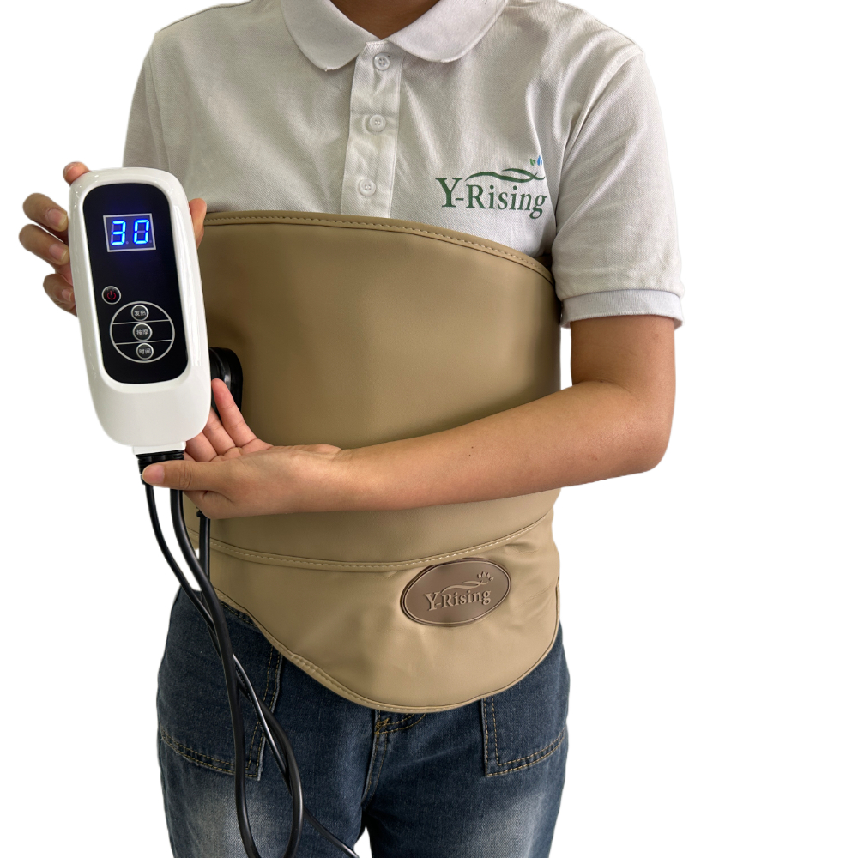 | YR-DD24 | Thermo infrared massage belt
Ultrasonic therapy products
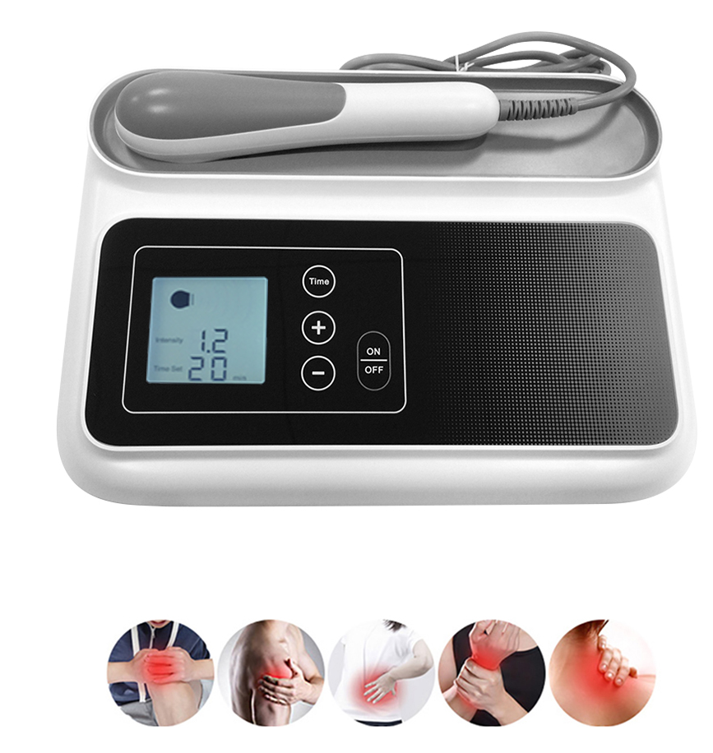 | YR-CS01 | Ultrasound therapy machine | Deeper muscle treatment pain management accelerate the drug daub | LED display 5 levels (0.8w-1.2w-1.6w-2.0w-2.5w) power adjustment Time (5-10-15-20-25-30 min) adjustment whole power 25w ultrasound output 5w straight beam, 1mhz frequency Probe diameter - 3.5cm
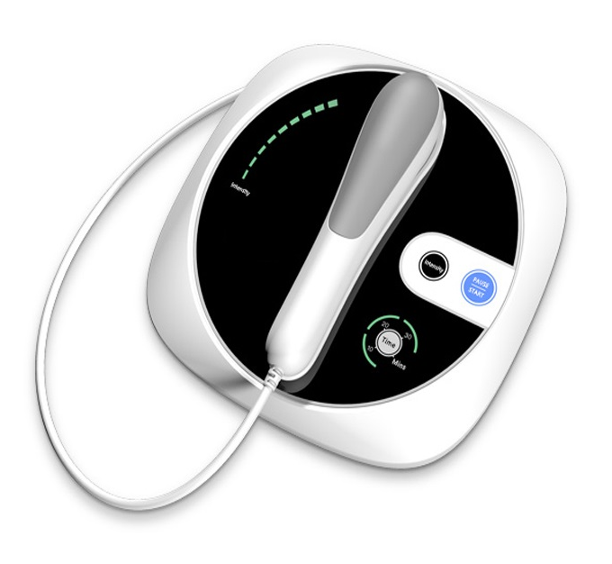 | YR-CS02 |  |  | 3 levels (low 1.7w-medium 3.7w -high 5w) power adjustment Time (10-20-30 min) adjustment whole power 25w ultrasound output 5w straight beam, 1mhz frequency Probe diameter - 3.5cm
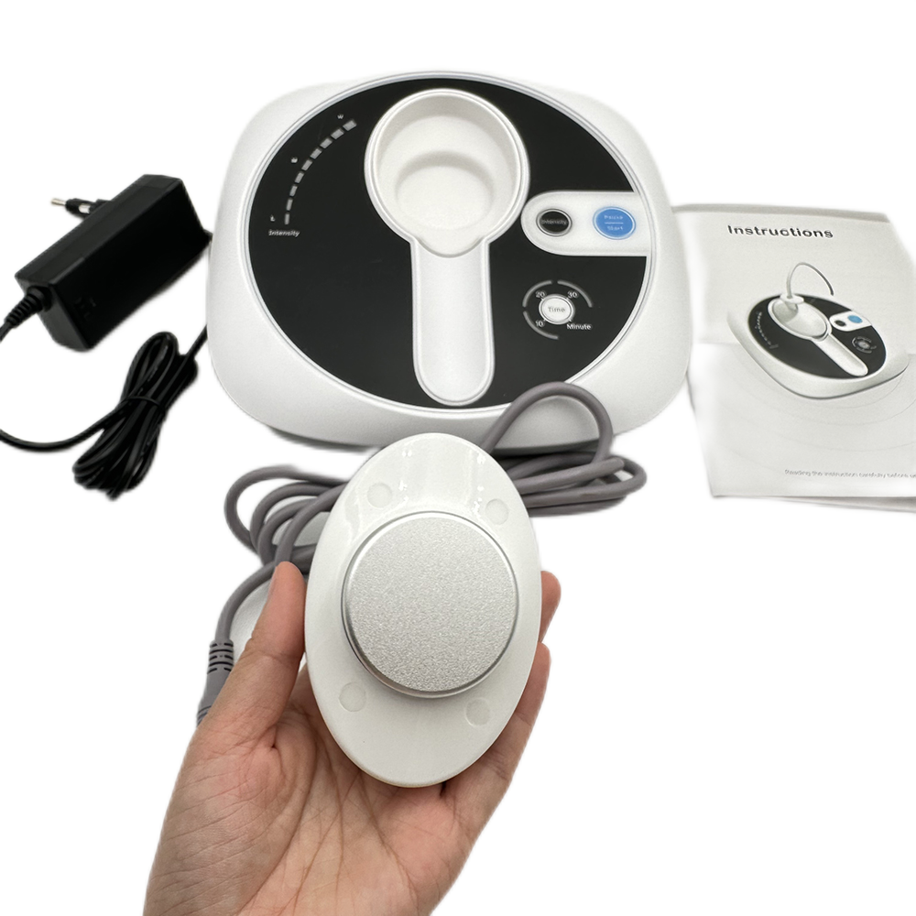 | YR-CS03 |  |  | 3 levels (low 1.7w-medium 3.7w -high 5w) power adjustment Time (10-20-30 min) adjustment whole power 25w ultrasound output 5w straight beam, 1mhz frequency Probe diameter - 5cm
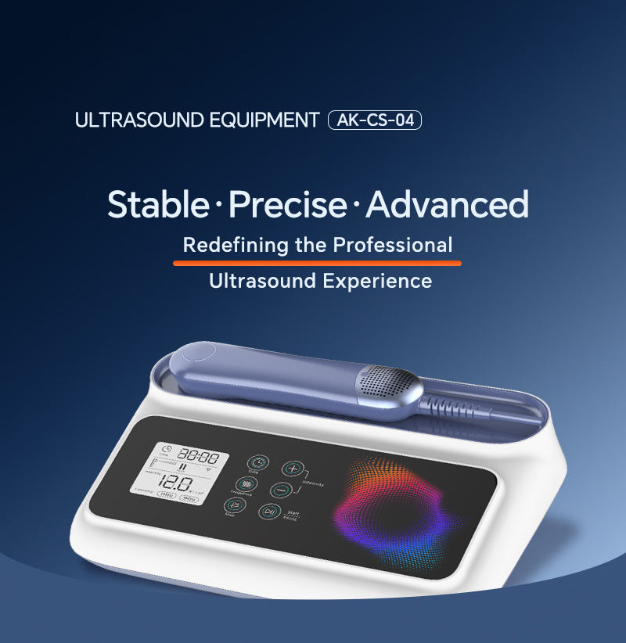 | YR-CS04 2026 |  |  | Frequency:1MHz 3MHz optional Keywords:Physical therapy equipment Power:AC100-240V Operating Temp:+5°C~+40°C Rated Power:25W BNR:≤8.0 Probe:Round Probe/Pointed Probe Timing:≤30min
Health analysis products
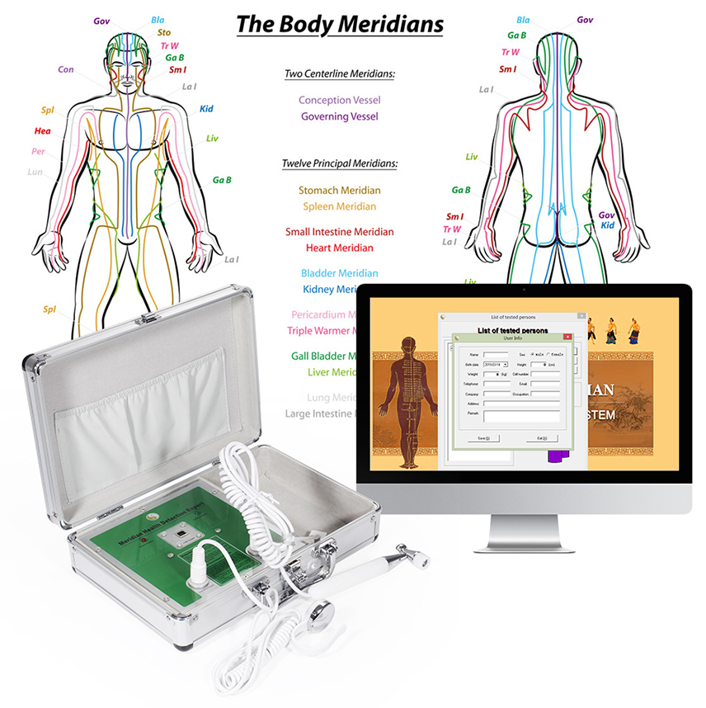 | YR-818 | Meridian analyzer | 8 reports: 1. List of meridian 2. Histogram report 3. Detection report 4. Meridian analysis 5. Beauty report 6. Five lines of figure 7. Physical symptom 8. Experts suggest | diagnose the change of physical energy and health status used in beauty salon, SPA club, clinics, health examination centre, health care products shop, massage center,and private homes.etc.
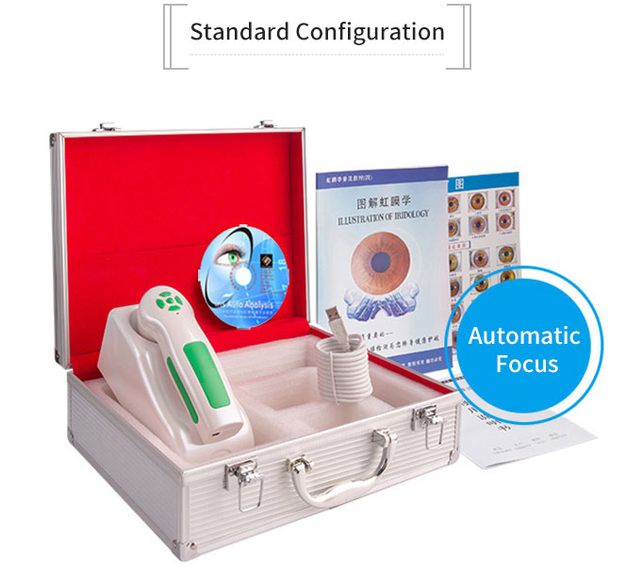 | YR-9822U | Iriscope camera | body health diagnosis | 12mp iriscope camera, resolution 3840*2880 5 adjust button, zoom +/-, LED control button The professional software supports multi-languages w/ gold dongle The standard software supports English and Chinese only w/ blue dongle
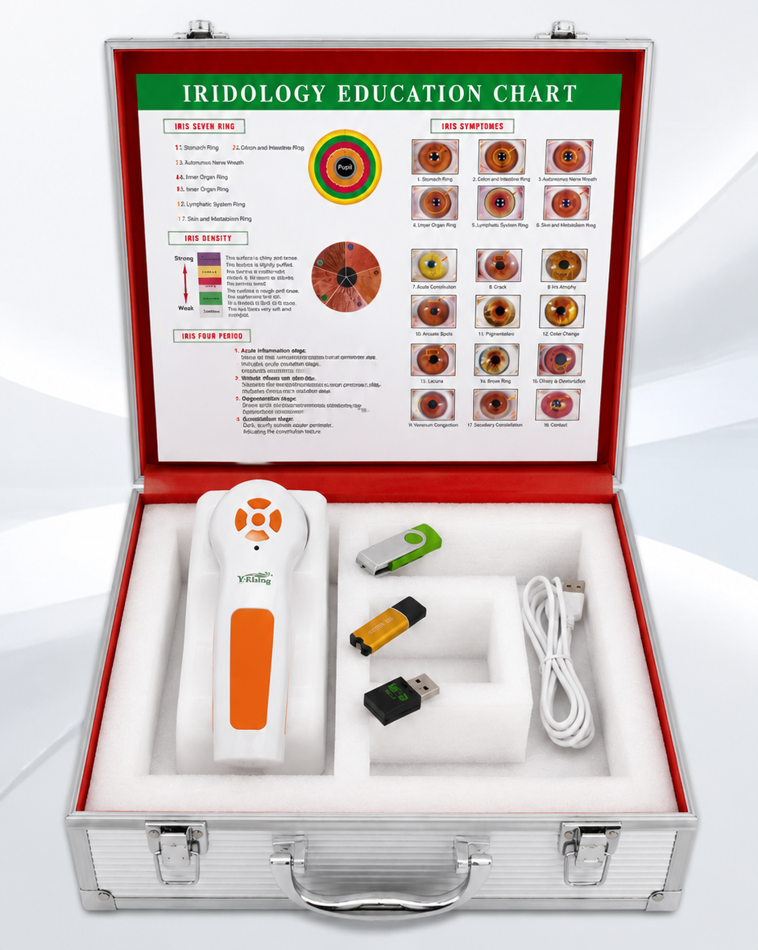 | YR-9888U (WiFi)
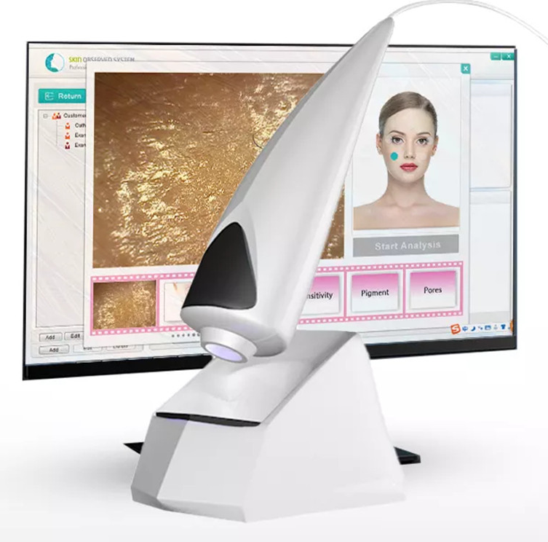 | YR-S10 | Skin analyzer | 8 reports: 1.Skin oil 2. moisture 3. texture 4. wrinkle 5. collagen fiber 6. pigment 7. senstivity 8. pores scan layer: skin epidermis, skin dermis, UV layer | *5MP camera *Magnification factor: 50 times *Power supply: USB 5V *Interface: USB 2.0 interface, plug and play without drive *Runing system: All Windows software: English, Spanish, Korean, Malay, Czech, Chinese,Japanese,Hunguary
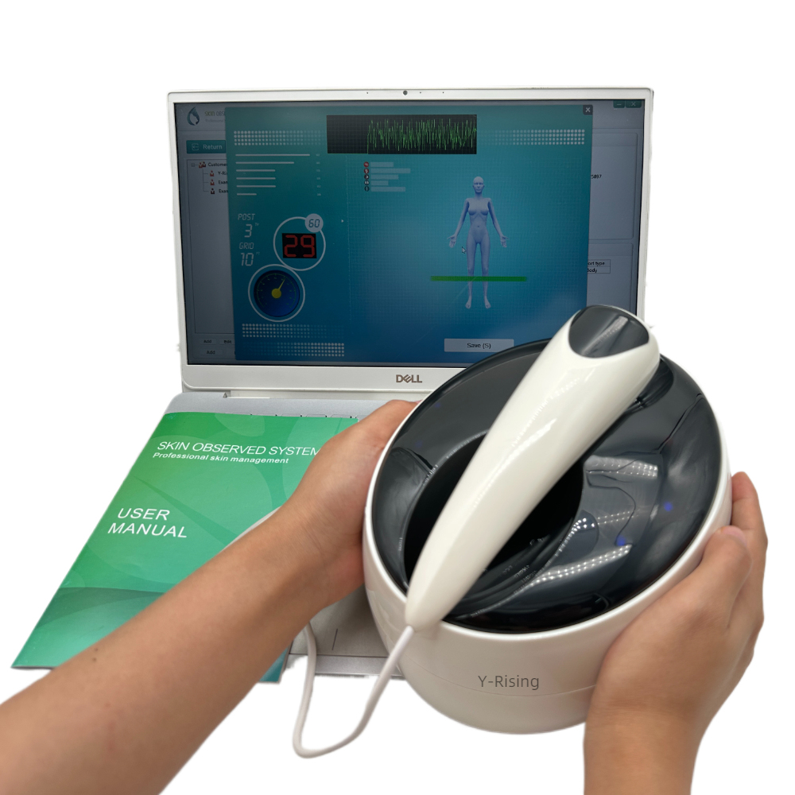 | YR-S11 | Skin analyzer&Quantum body Analyzer 2 in 1 | Body Test Report(Female) Body Hormone Endocrine System Immune System Body Collagen Body Heavy Metal Body ToxinAllergy Gynecology Breast Body Composition Facial Test Report Hydration Skin Oiliness Skin Texture Collagen Level Wrinkles Pigment Sensitivity Pores | *5MP camera *Magnification factor: 50 times *Power supply: USB 5V *Interface: USB 2.0 interface, plug and play without drive *Runing system: All Windows software: English, Chinese
Red light therapy products
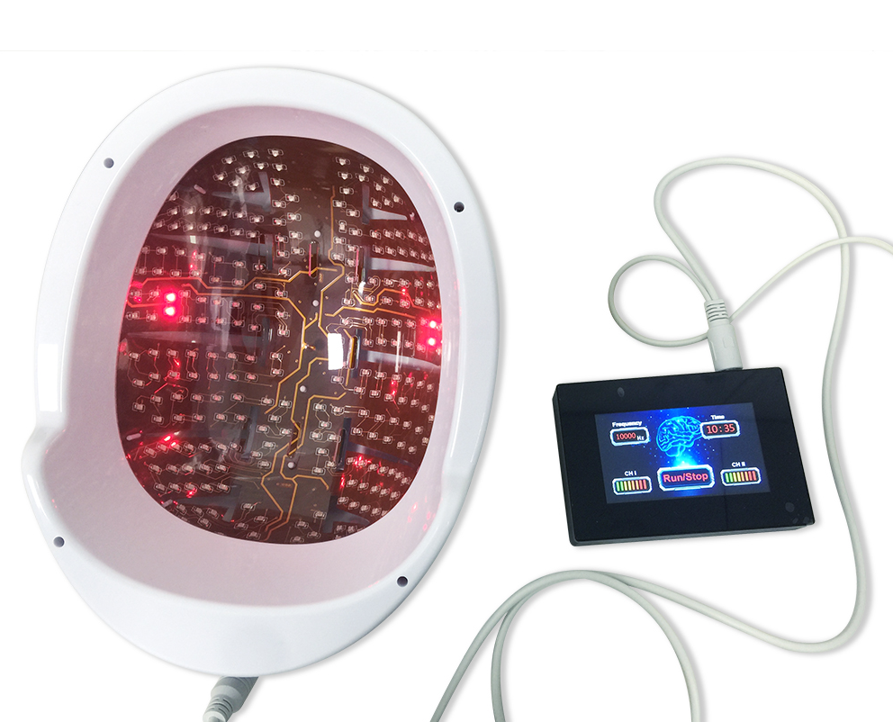 | YR-PDT1 | 810nm PBM helmet | Traumatic: stroke,TBl Degenerative: Parkinson, Azheimer, dementia Mental: anxiety depression sleep disorder | 810nm LED with lens, 4-layer flexible circuit board, 16-18W working power. Touchscreen controllers with 0-20k frequency/power adjustment.
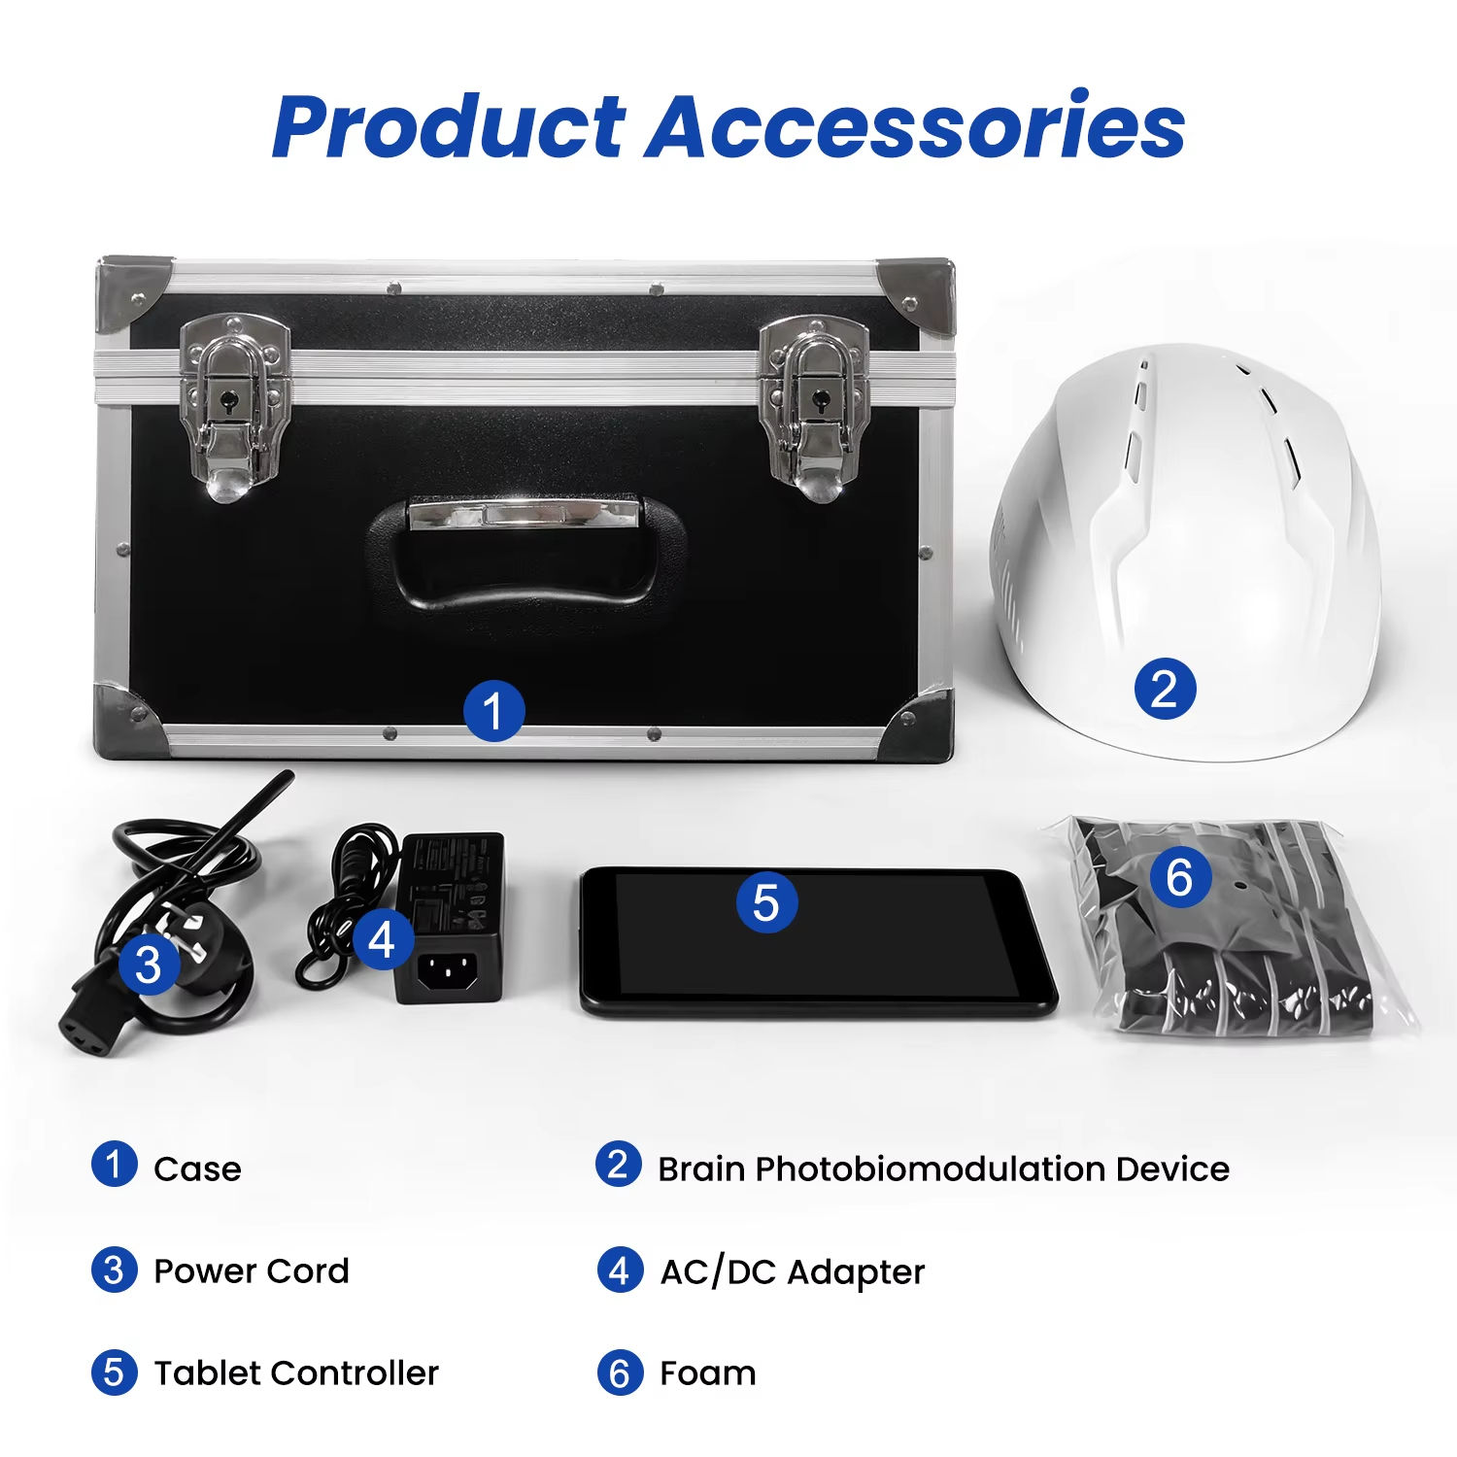 | YR-PDT2 | 810/1070nm PBM helmet |  | LED numbers：420pcs LED modules：21p;cs Display Type：LCD Display Wavelength：810nm and 1070nm Power：24W Output：12V 3A Irradiance：48mW/cm2 Power level：1 % to 100% adjustable Pulse frequency：1hz to 20000Hz
Terahertz foot massage products
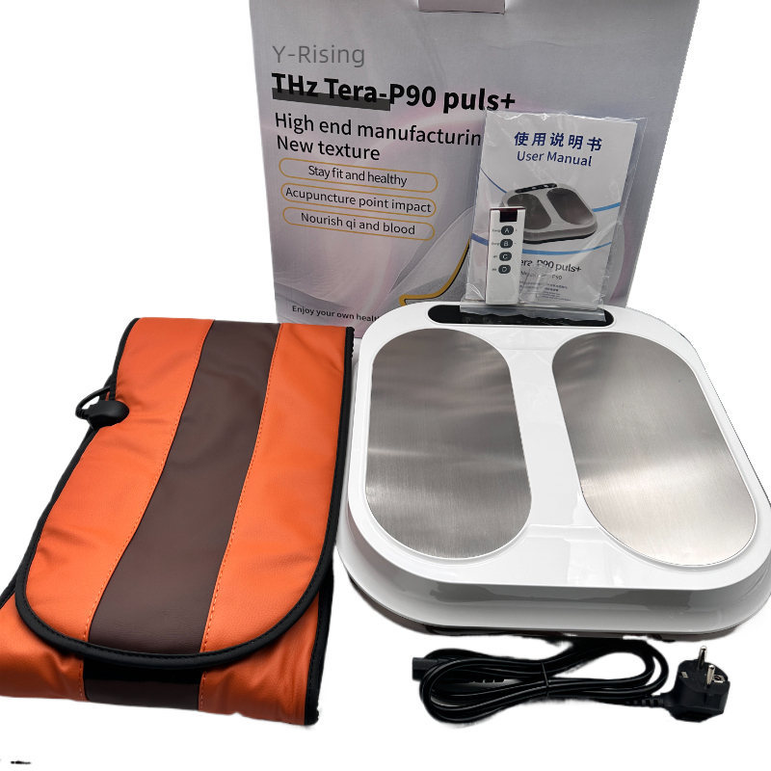 | YR-P90 | Terahertz Device Foot Therapy | Awakens the body's absorptive capacity and relaxes the muscles. Strengthens healthy cells and triggers dormant cells. Help the body repair itself. Regulate endocrine disorders. Improve microcirculation and remove water from the body. Helps open internal circulation and filter out debris. | Operating Voltage:AC110V-240V50Hz/60Hz Frequency Output Power:260W±10% Net Weight:6.5kg Dimensions:48*45*20cm
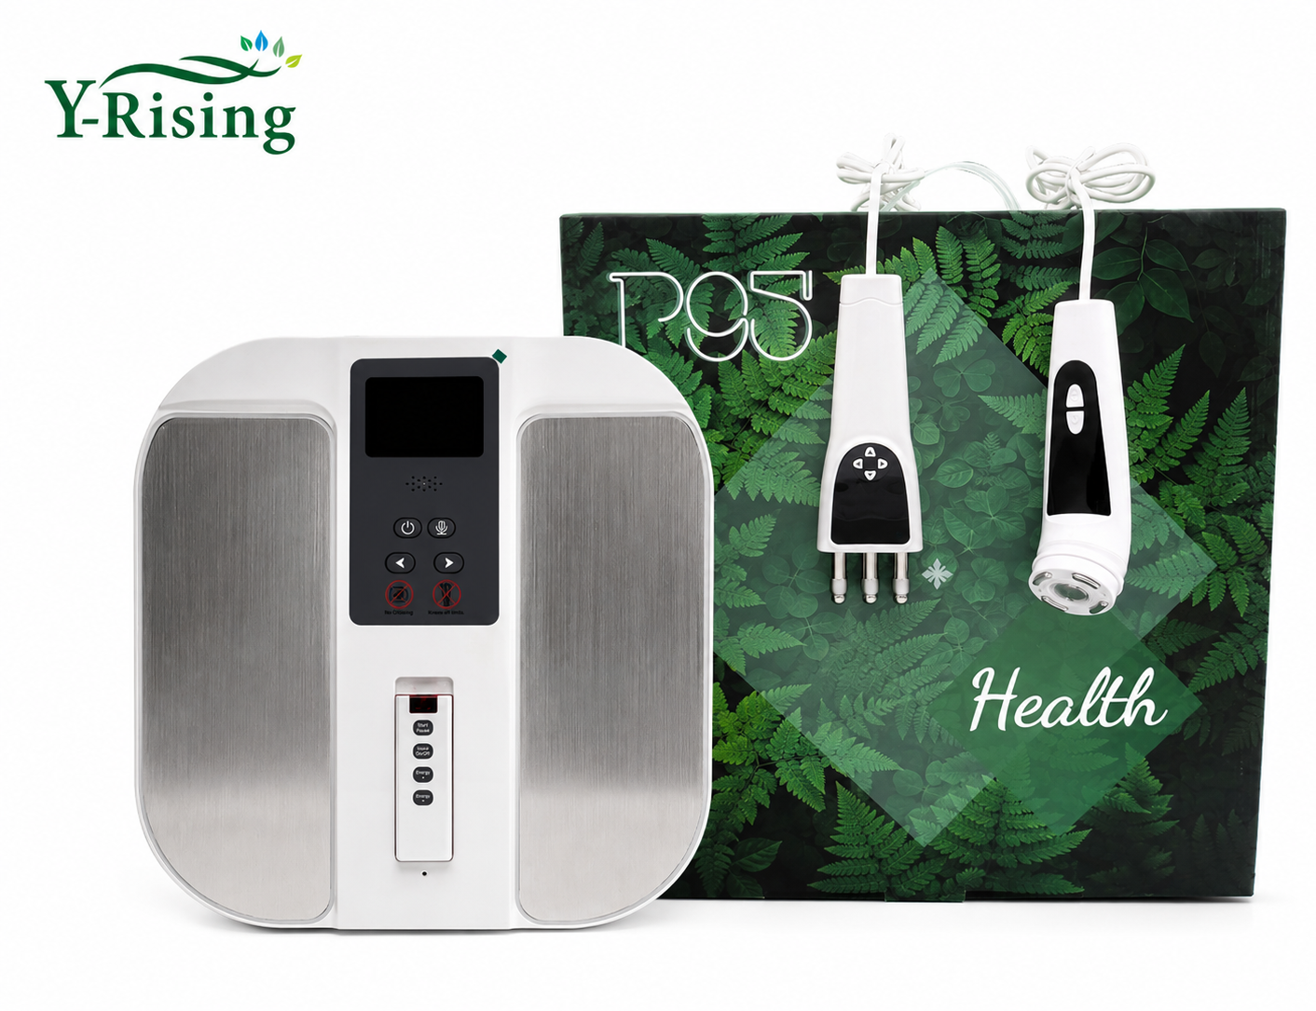 | YR-Thz Tera P90 Pro+ 2026 |  |  | Product Name:Thz Tera P90 Pro+ Model:HN-P95 Operating Voltage:AC110V-240V50Hz/60Hz Frequency Output Power:260W±10% Net Weight:3.8kg Dimensions:380x390x120mm Equipped with a multi-functional massage probe
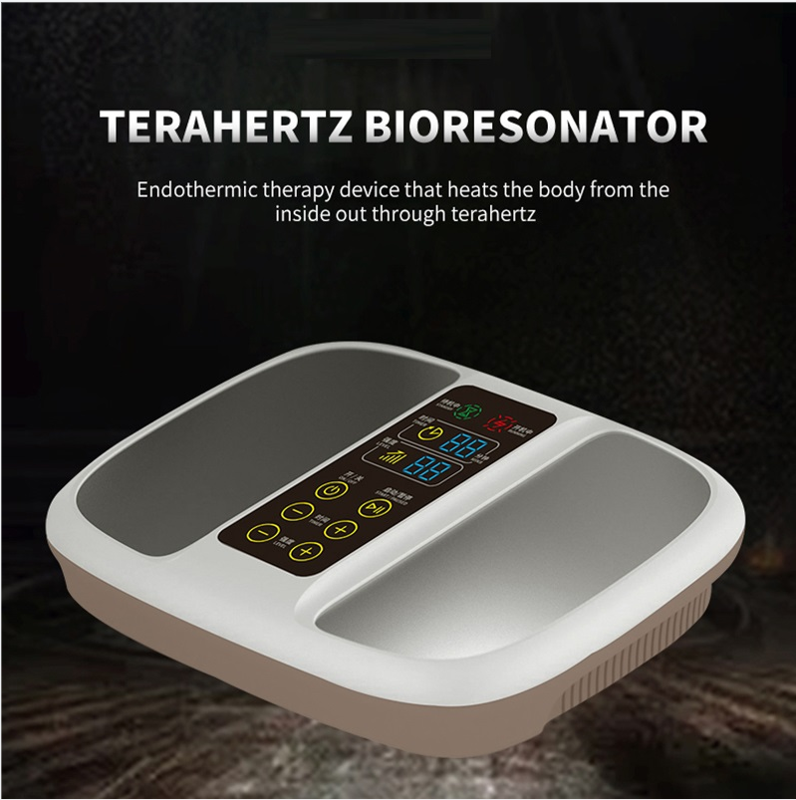 | YR-P100 | Terahertz Device Foot Therapy（Belt can be added） |  | Power: ≤300w Work noise: ≤65dB Voltage: 220V(EU plug, UK plug), 110V(US plug) Frequency: 50HZ Radio frequency distance: 20-30CM Range of use for 2rd gear: 1st gear-100℃, 2nd gear-110℃.
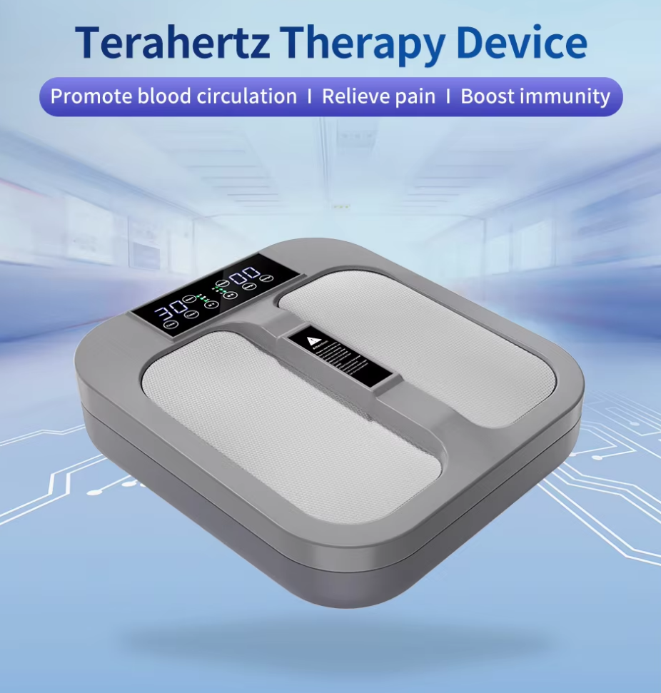 | YR-P02 |  |  | Operating voltage: 220+10% Output power:≤300W Dimension:420*370*110(MM) Voltage: 220V(EU plug, UK plug), 110V(US plug) Adjustable magnetic heat and magnetic vibration(MH and MV)
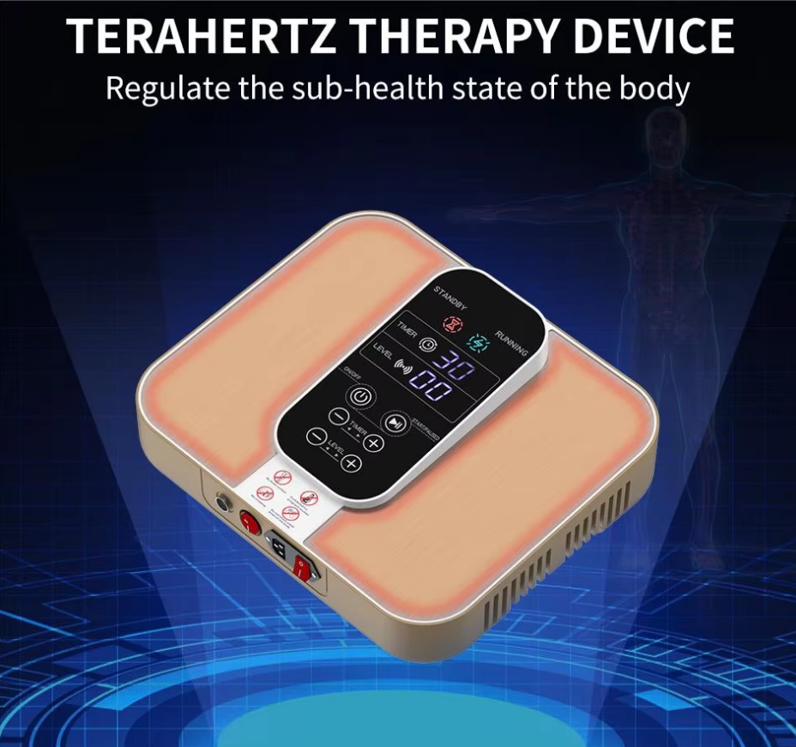 | YR-P999 |  |  | Operating voltage: 220+10% Output power:≤300W Dimension:505*420*195(MM) Voltage: 220V(EU plug, UK plug), 110V(US plug) Frequency: 50HZ
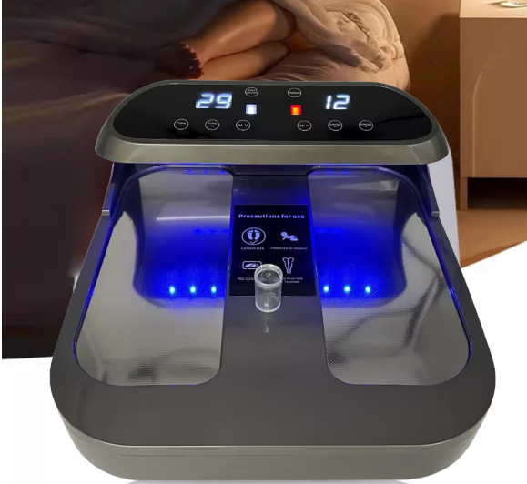 | YR-P08 |  |  | Operating voltage: 220+10% Output power:≤300W Dimension:420*505*195(MM) Voltage: 220V(EU plug, UK plug), 110V(US plug) Adjustable magnetic heat and magnetic vibration(MH and MV) New: Blue light disinfection function or Red light anti-inflammatory function（Choose 1 of the 2, each instrument only supports 1 color light）
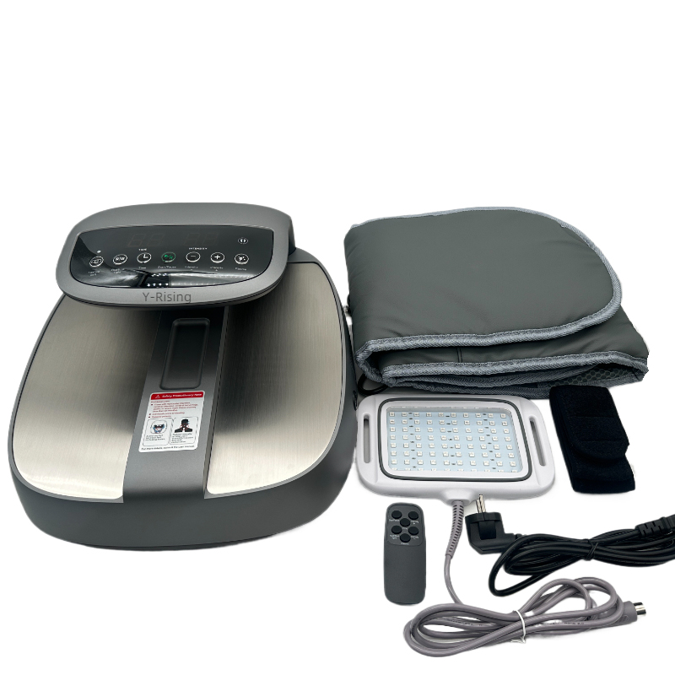 | YR-P01 |  |  | Power Voltage： 220V(EU plug, UK plug), 110V(US plug) Visible wavelength：Red（630nm），Blue（415nm） Timer：1-30 minutes Rated Power：400W Powder Frequency：50Hz New：1.Free red and blue light therapy board 2.One device supports both blue light and red light
Microcirculation detector
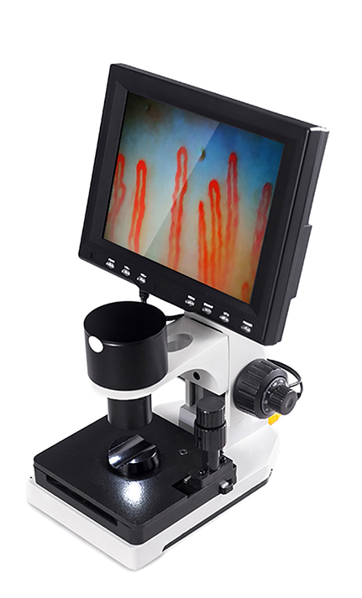 | YR-818 | Microcirculation Microscopy | It is used to observe and study the microcirculatory structure and dynamic process in biological samples. It combines microscopy and digital imaging technology to observe and record images and videos of microcirculation in biological samples in real time. | Input&Output:AC input 100~240V 50/60Hz DC output DC12V,2A Operating voltage: 110V-220V Opticalmagnification：10X Digitalmagnification：600 or more Imaging system：HD import color CMOs Focus mgmechanism： 1.Coarse coarse coaxial coarse 1mm.fmetuning0.002mm. .2.Workingheight 0mm-25mm Adjustment mode: Right hand hand coaxialadjustment
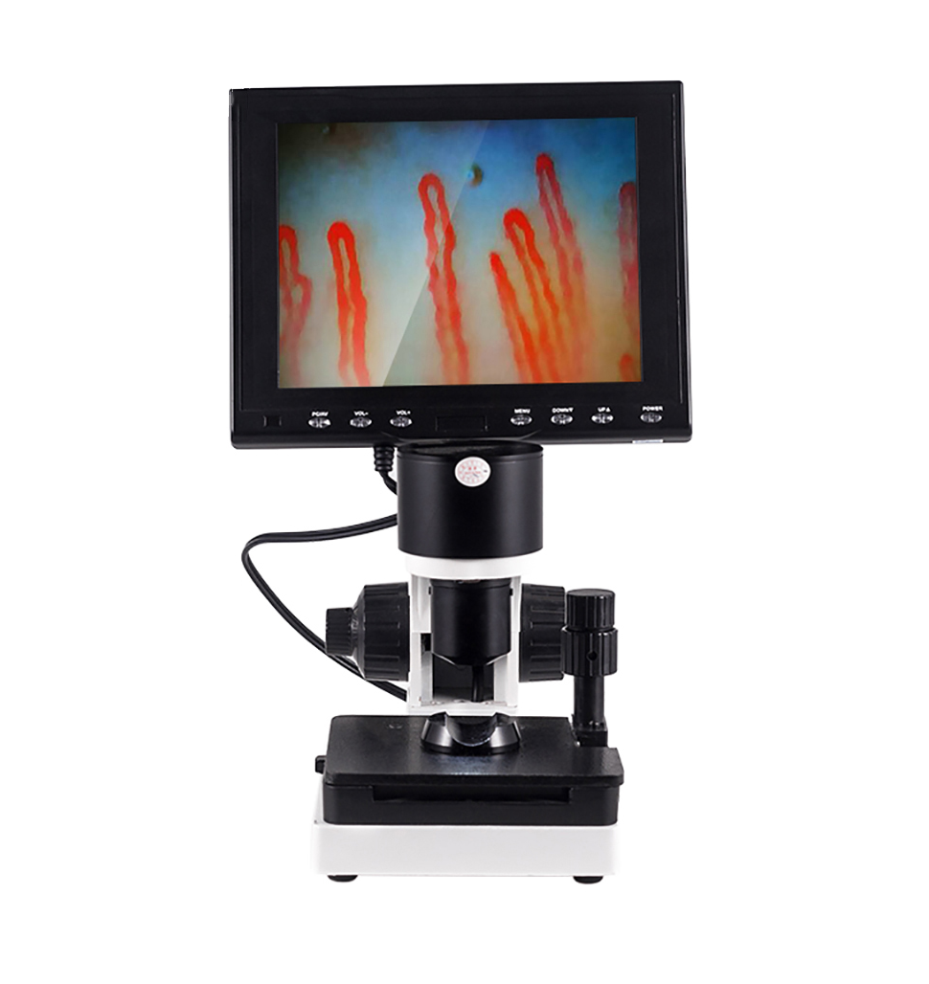 | YR-160
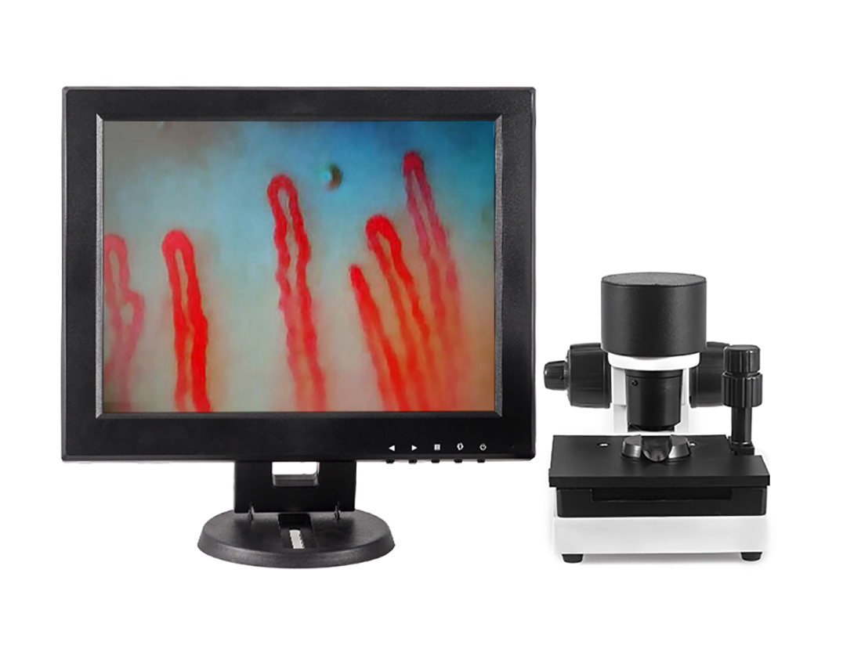 | YR-120 |  |  | Input&Output:AC input 100~240V 50/60Hz DC output DC12V,2A Operating voltage: 110V-220V Opticalmagnification：10X Digitalmagnification：600 or more Imaging system：HD import color CMOs Focus mgmechanism： 1.Coarse coarse coaxial coarse 1mm.fmetuning0.002mm. .2.Workingheight 0mm-25mm Adjustment mode: Right hand hand coaxialadjustment The screen can be disassembled and placed independently
Hydrogen water machine
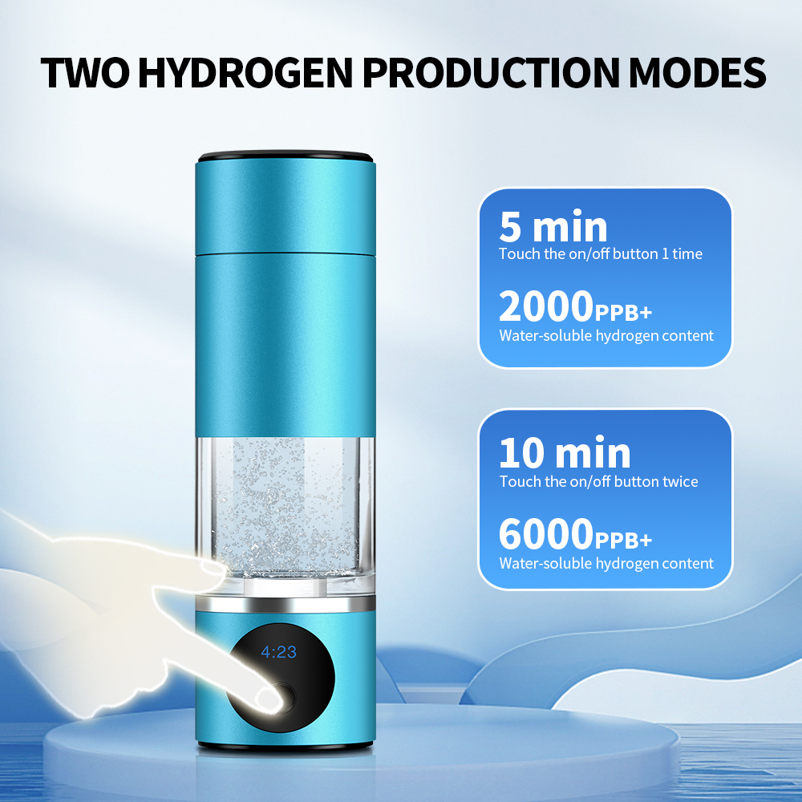 | YR-H230 | 230ML Hydrogen Water Cup | Benefits of drinking hydrogen water 1. Antioxidant effect 2. Metabolic repair 3. Anti-aging 4. Effect on chronic diseases 5. Effect on allergic diseases 6. Weight loss effect 7. Significant improvement effect on hypertension 8. Improvement effect on diabetes 9. Improvement effect on gout and hyperuricemia 10. Unblock microcirculation and achieve anti-inflammatory and analgesic effects | Hydrogen Concentration：99.99% Working Time：5 Min / 10 Min OEM：Support Battery Capacity：2000mAh Technology：SPE PEM Capacity：230ml Single package size:25X15X10 cm Weight：1kg
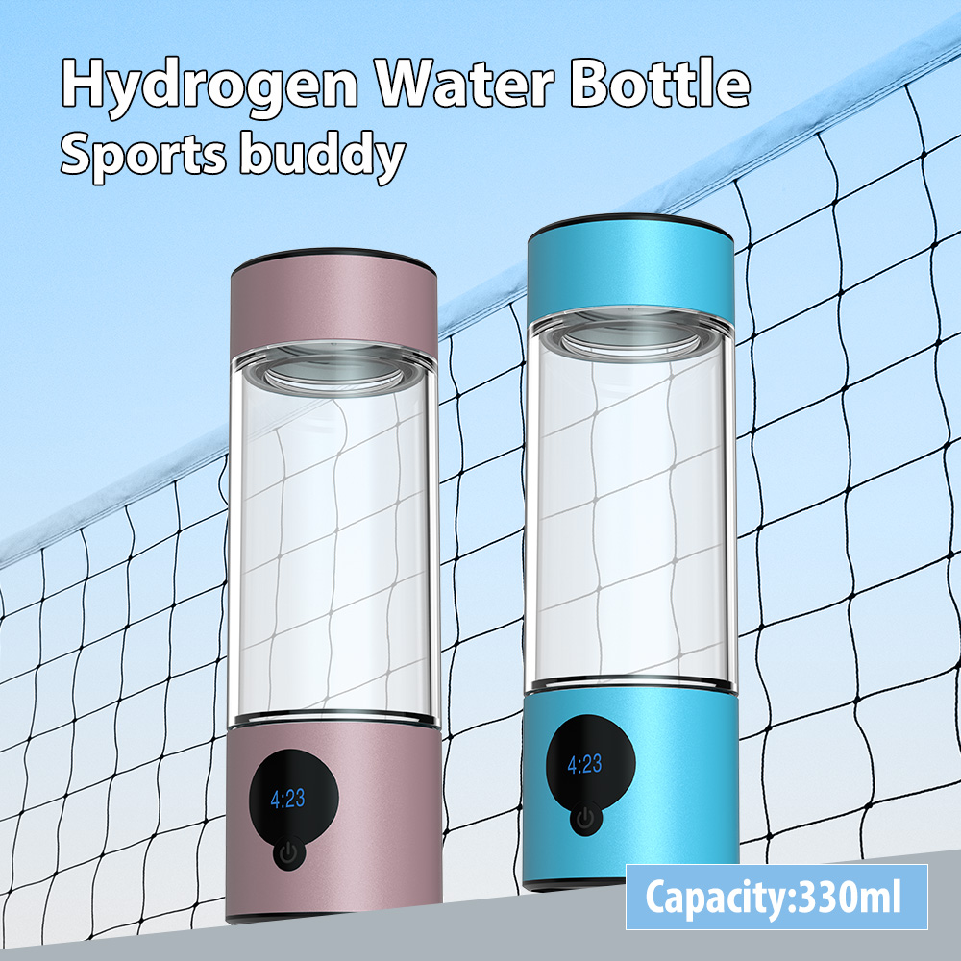 | YR-H330 | 330ML Hydrogen Water Cup |  | Hydrogen Concentration：99.99% Working Time：5 Min / 10 Min OEM：Support Battery Capacity：2000mAh Technology：SPE PEM Capacity：330ml Single package size:25X15X12 cm Weight：1kg
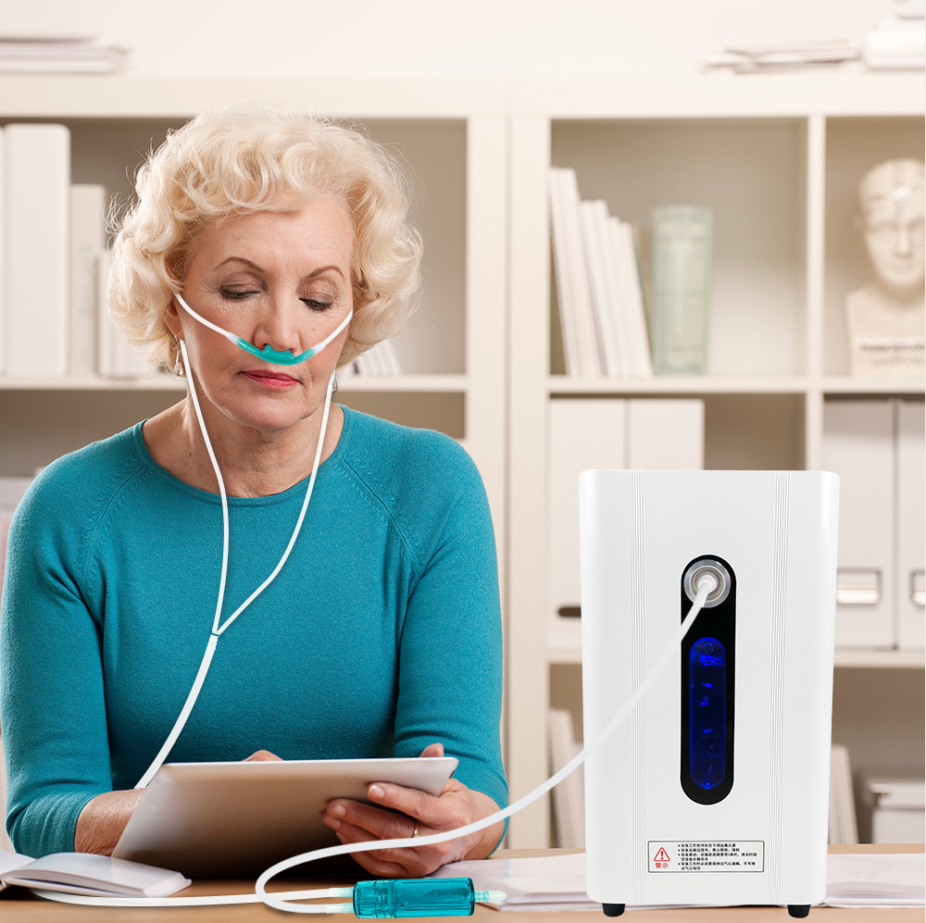 | YR-H150 | 150ml hydrogen inhalation machine | About this item 1. 150ml/min upgraded flow, high purity 99.996% hydrogen molecular, chlorine-free and ozone-free, tested by third-party labs. 2. Compact size suitable for desktop use. The handle makes it easy for carrying, allows you to enjoy the benefits of hydrogen anytime, anywhere. 3. 2 in1 multi-purpose, for breathing inhalation and hydrogen water making. Included hydrogen infusing stick changes this machine to a universal hydrogen water generator up for all kinds of water and drink. | Product specification: Hydrogen flow: 150ml/min Rated power: <= 60 VA Power: 100-220V 50Hz Noise: <= 60 dB Use temperature/humidity: 5 ℃ -40 ℃, <= 80%RH Accessories: Host, instructions, NASAL TUBINGS, Hydrogen DISSOLVD ROD, power cord.
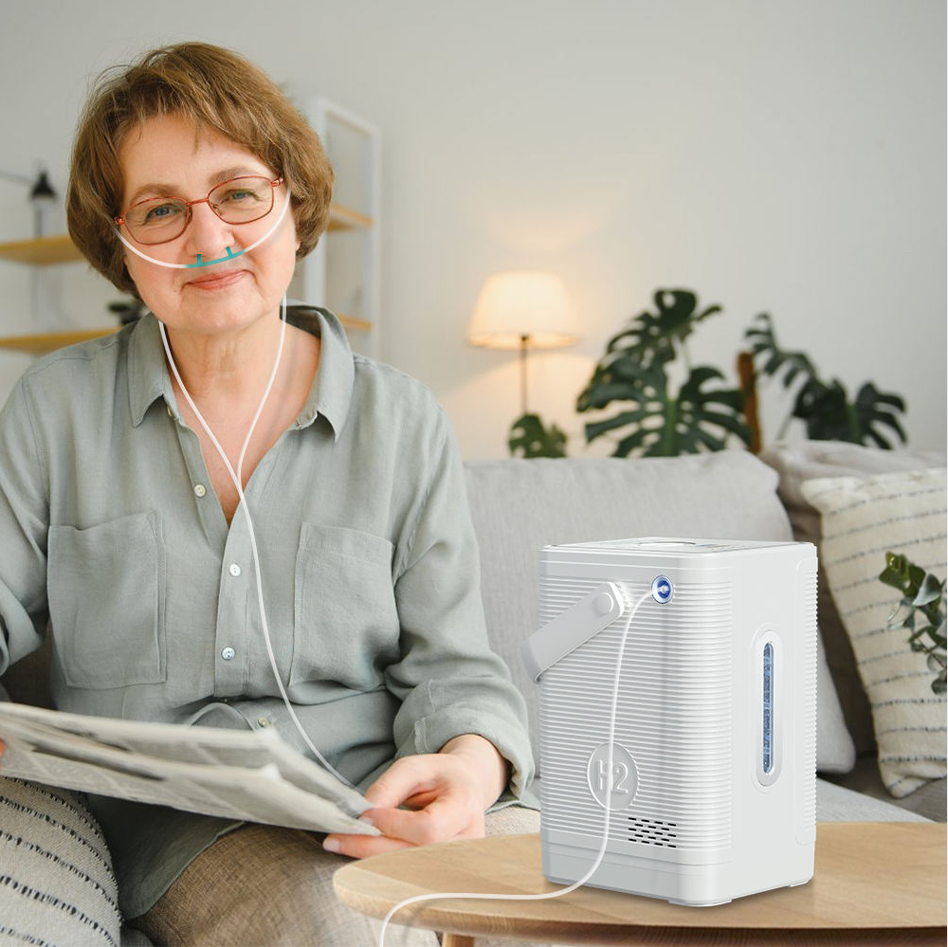 | YR-H300 | 300ml hydrogen inhalation machine | About this item 1. 300ml/min upgraded flow, high purity 99.996% hydrogen molecular, chlorine-free and ozone-free, tested by third-party labs. 2. Compact size suitable for desktop use. The handle makes it easy for carrying, allows you to enjoy the benefits of hydrogen anytime, anywhere. 3. 2 in1 multi-purpose, for breathing inhalation and hydrogen water making. Included hydrogen infusing stick changes this machine to a universal hydrogen water generator up for all kinds of water and drink. | Product specification: Hydrogen Concentration ：99.99% Hydrogen-oxygen flow ratio. 2：1 Hydrogen flow: 300ml(200ml H2+100ml O2) Operating frequency: 1H/2H/3H Rated power: 150w Size: 150*180*265mm
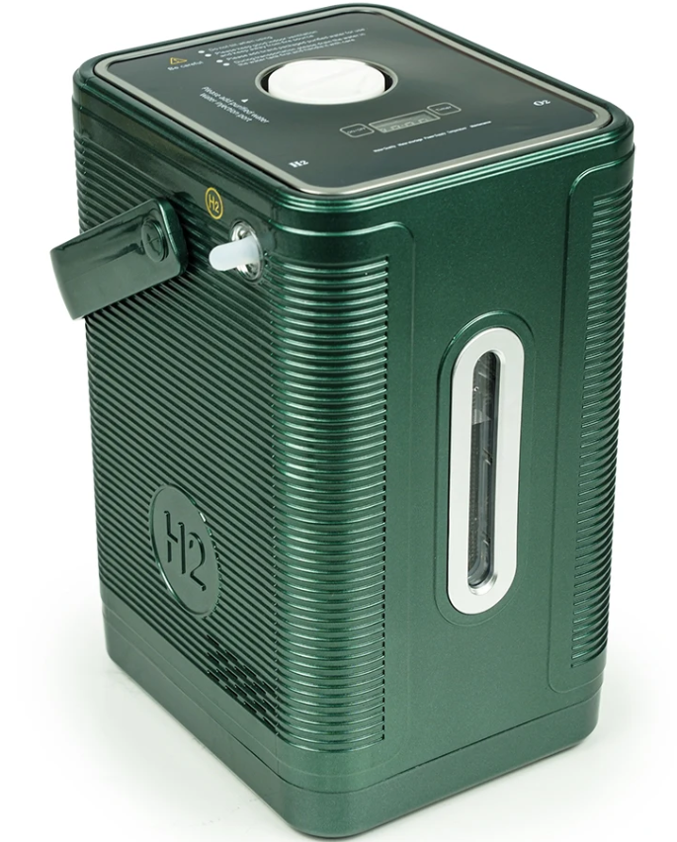 | YR-H450 | 450ml hydrogen inhalation machine | About this item 1. 450ml/min upgraded flow, high purity 99.996% hydrogen molecular, chlorine-free and ozone-free, tested by third-party labs. 2. Compact size suitable for desktop use. The handle makes it easy for carrying, allows you to enjoy the benefits of hydrogen anytime, anywhere. 3. 2 in1 multi-purpose, for breathing inhalation and hydrogen water making. Included hydrogen infusing stick changes this machine to a universal hydrogen water generator up for all kinds of water and drink. | Product specification: Hydrogen Concentration ：99.99% Hydrogen-oxygen flow ratio. 2：1 Hydrogen flow: 450ml(300ml H2+150ml O2) Operating frequency: 1H/2H/3H Rated power: 150w Size: 150*180*265mm
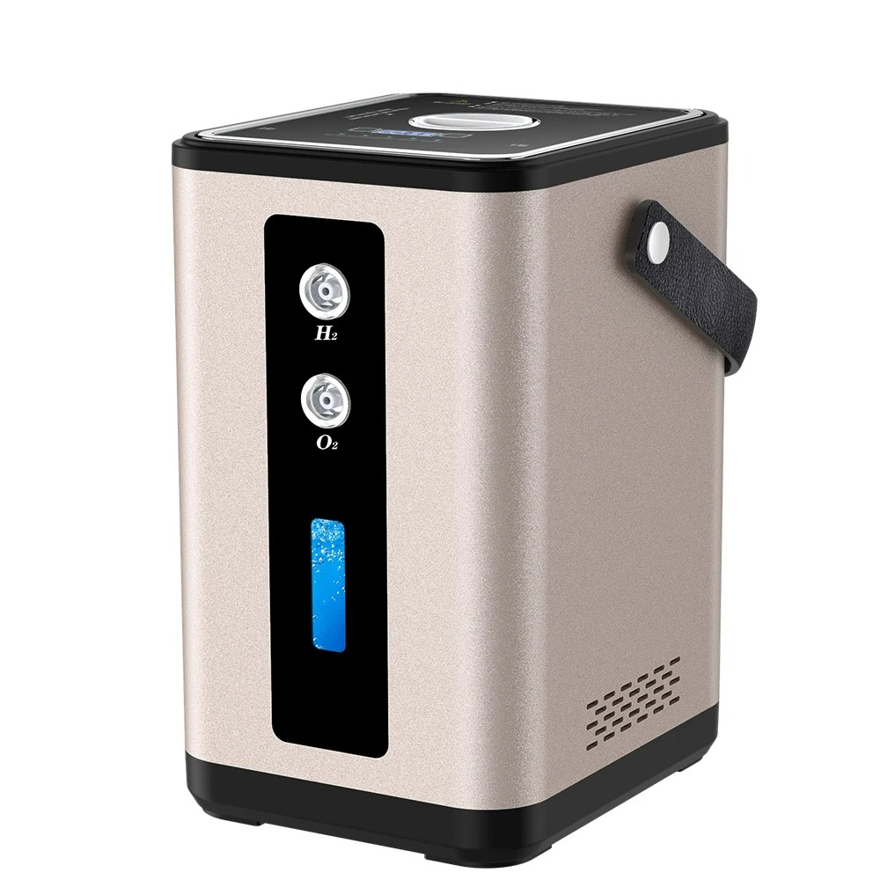 | YR-H450 Rose Gold |  |  | Voltage (V)：110V-220V Power (W)：150W Dimensions (L x W x H (Inches)：150*180*265mm Technology：SPE PEM Water Electrolysis H2 flow rate：300ml/min O2 flow rate：150ml/min Hydrogen concentration：99.996% Working Time：1h/2h/3h Input voltage：100-240V
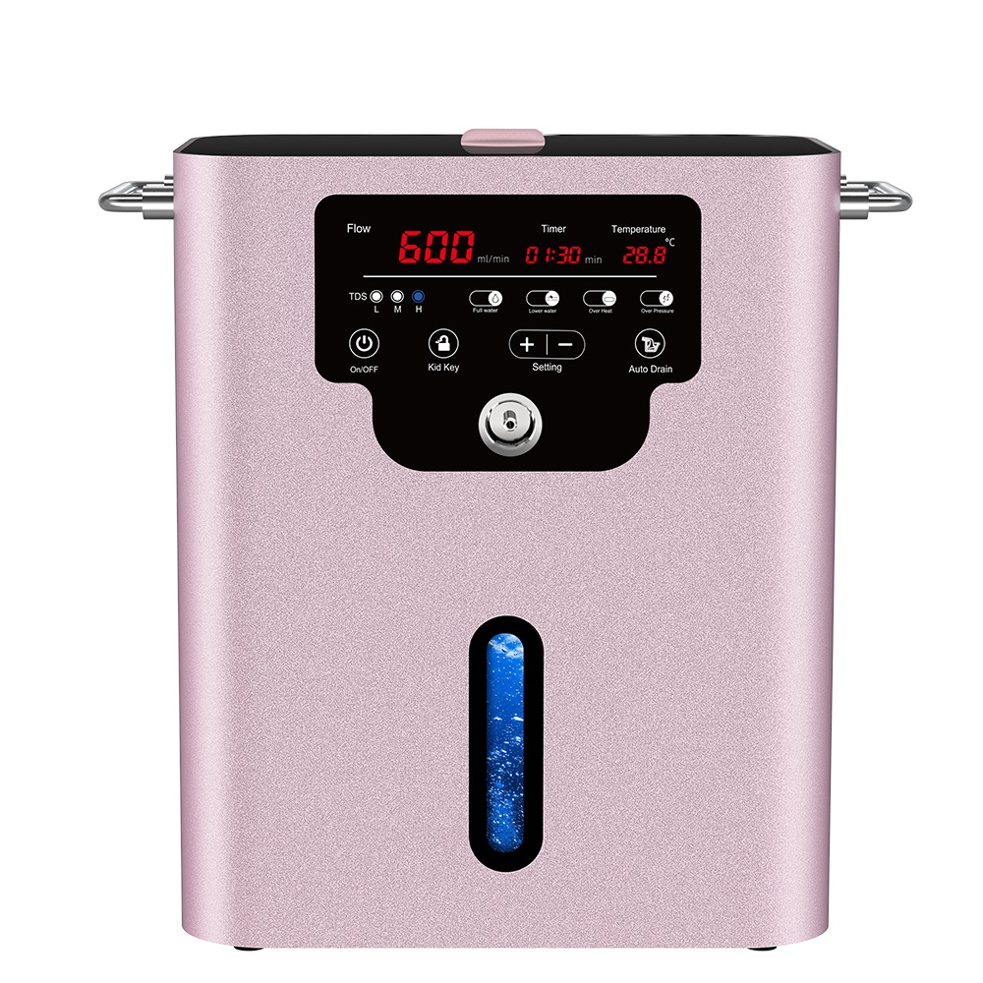 | YR-H600 | 600ml hydrogen inhalation machine | PRODUCT DESCRIPTION 1. Powerful Antioxidant Effects: Hydrogen gas is a potent antioxidant that can help neutralize free radicals, reduce oxidative stress, and protect cells from oxidative damage. 2. Anti-Inflammatory Effects: Inhaling hydrogen gas can suppress inflammatory responses, alleviate inflammation symptoms, and potentially have a positive impact on chronic inflammatory conditions. 3. Enhanced Immune Function: Hydrogen gas may contribute to strengthening the immune system, making the body more resilient and better equipped to fend off invasions by viruses and bacteria. 4. Anti-Aging: Hydrogen gas is believed to have a role in combating the aging process by reducing oxidative damage and cellular aging, helping to maintain a youthful and vital body. 5. Improved Health: Some studies suggest that inhaling hydrogen gas can improve symptoms of certain chronic diseases, such as diabetes, hypertension, and inflammatory conditions. 6. Increased Energy and Enhanced Exercise Performance: Research indicates that inhaling hydrogen gas may help boost energy levels and improve endurance and performance during physical exercise. | H2 flow rate：600ml/min O2 flow rate：300ml/min Power：360W Frequency：50HZ Input power：AC220V, 50HZ Noise：0.5mPA Size：315*208*395mm/12.5*8.19*15.55inch Temperature：5°-40°
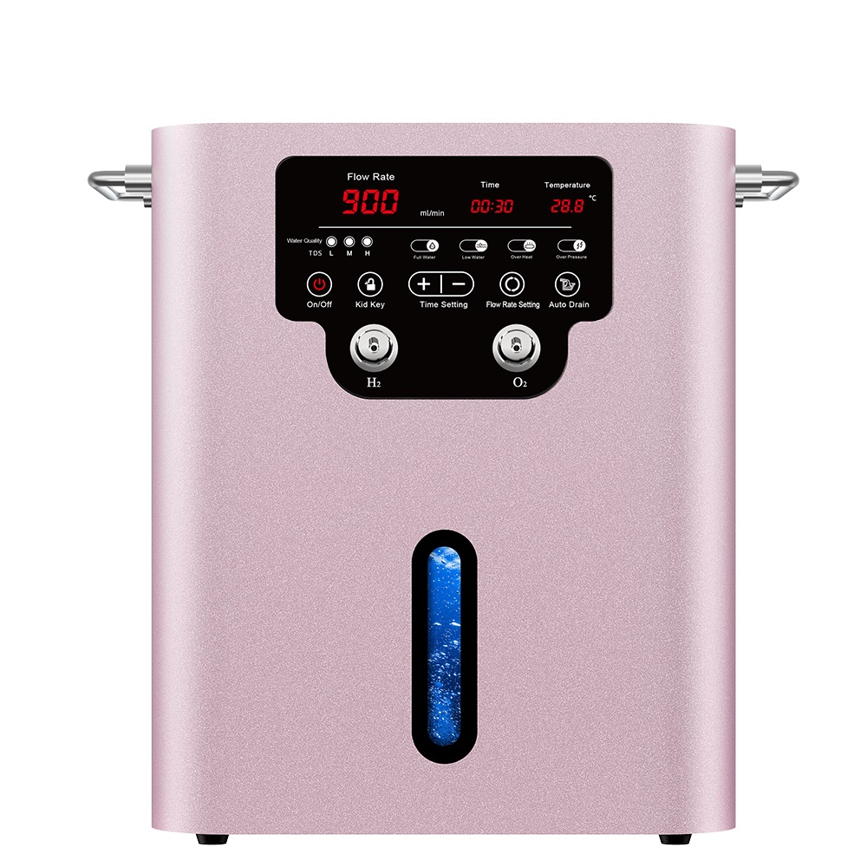 | YR-HO900 | 900ml hydrogen inhalation machine |  | H2 flow rate：600ml/min Power：360W Input power：AC220V, 50HZ Noise：0.5mPA Size：315*208*395mm/12.5*8.19*15.55inch Temperature：5°-40°
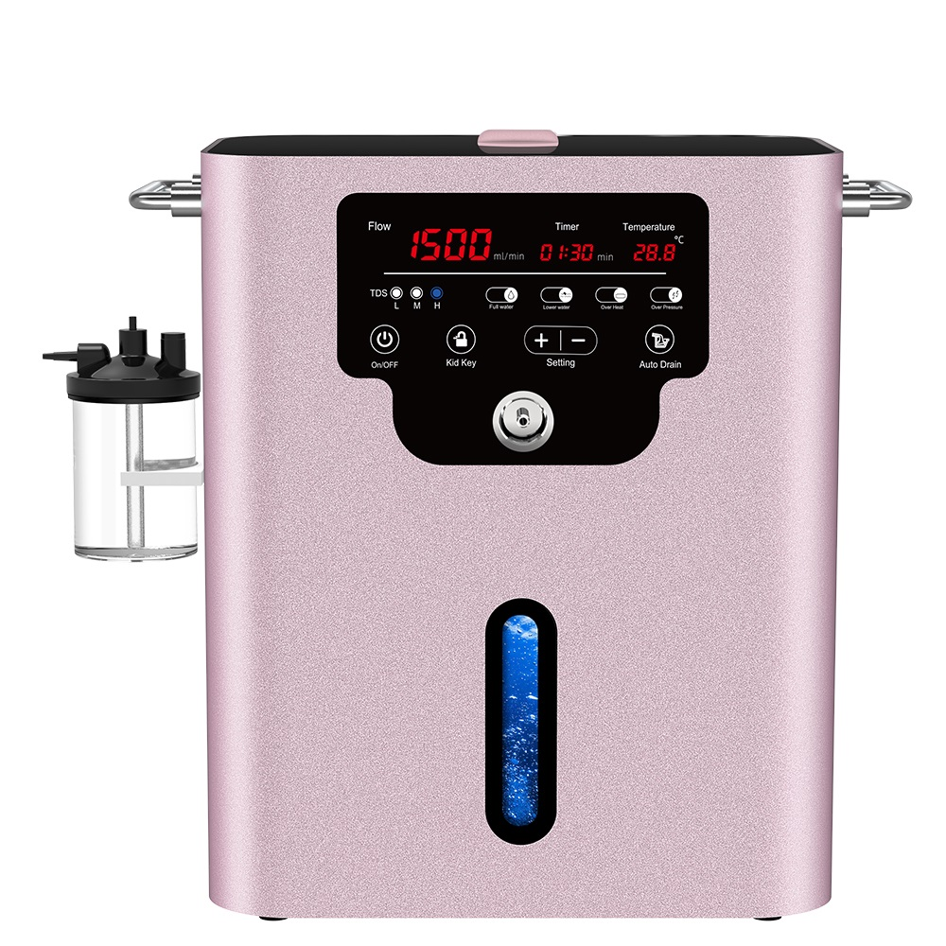 | YR-H1500 | 1500ml hydrogen inhalation machine | PRODUCT DESCRIPTION 1. Powerful Antioxidant Effects: Hydrogen gas is a potent antioxidant that can help neutralize free radicals, reduce oxidative stress, and protect cells from oxidative damage. 2. Anti-Inflammatory Effects: Inhaling hydrogen gas can suppress inflammatory responses, alleviate inflammation symptoms, and potentially have a positive impact on chronic inflammatory conditions. 3. Enhanced Immune Function: Hydrogen gas may contribute to strengthening the immune system, making the body more resilient and better equipped to fend off invasions by viruses and bacteria. 4. Anti-Aging: Hydrogen gas is believed to have a role in combating the aging process by reducing oxidative damage and cellular aging, helping to maintain a youthful and vital body. 5. Improved Health: Some studies suggest that inhaling hydrogen gas can improve symptoms of certain chronic diseases, such as diabetes, hypertension, and inflammatory conditions. 6. Increased Energy and Enhanced Exercise Performance: Research indicates that inhaling hydrogen gas may help boost energy levels and improve endurance and performance during physical exercise. | Product specification: Hydrogen flow: 1000ml/min Oxygen flow: 500ml/min Rated power: <= 60 VA Power: 220V 50Hz Noise: <= 60 dB Size: 315*208*395mm Power: 360W Use temperature/humidity: 5 ℃ -40 ℃, <= 80%RH Accessories: Host, instructions, NASAL TUBINGS, Hydrogen DISSOLVD ROD, power cord. Multiple models are available for buyers to choose from: 180ml, 200ml, 300ml, 600ml, 900ml, 1500ml, 3000ml
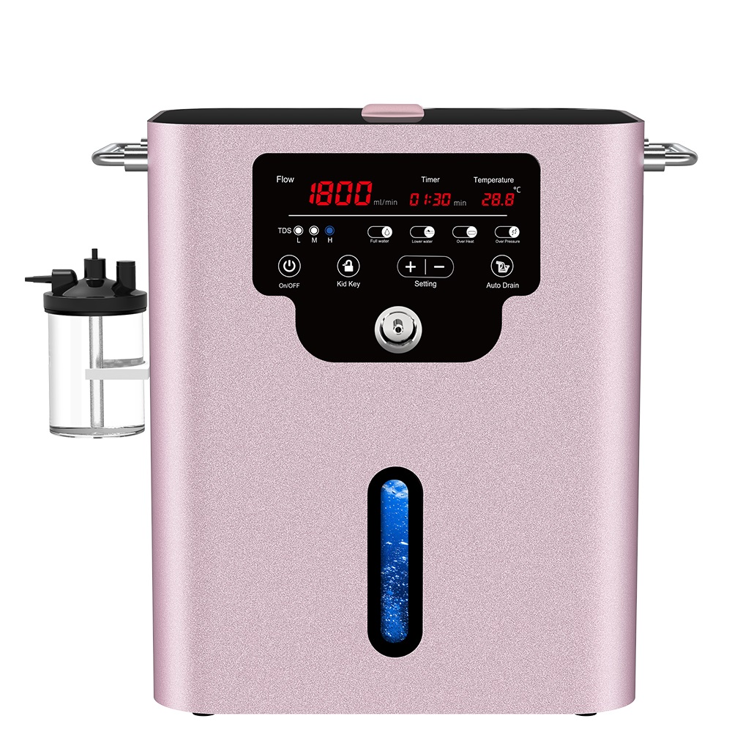 | YR-H1800 | 1800ml hydrogen inhalation machine |  | Product specification: Hydrogen flow: 1200ml/min Oxygen flow: 600ml/min Rated power: <= 60 VA Power: 220V 50Hz Noise: <= 60 dB Size: 315*208*395mm Power: 360W Use temperature/humidity: 5 ℃ -40 ℃, <= 80%RH Accessories: Host, instructions, NASAL TUBINGS, Hydrogen DISSOLVD ROD, power cord. Multiple models are available for buyers to choose from: 180ml, 200ml, 300ml, 600ml, 900ml, 1500ml, 3000ml

